Demo Screenshot
Mardown Code:
| | Q1 | Q2 | Q3 | Q4 | Total | |-------|------|------|------|------|-------| | Bob | 877 | 413 | 543 | 175 | 2008 | | Mary | 537 | 634 | 854 | 939 | 2964 | | Alice | 586 | 840 | 855 | 851 | 3132 | | Total | 2000 | 1887 | 2252 | 1965 | 8104 |

Screenshot (in browser)

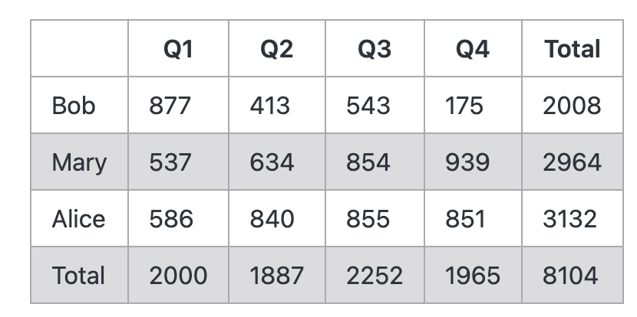

Demo Image from Paper
